5 Whys
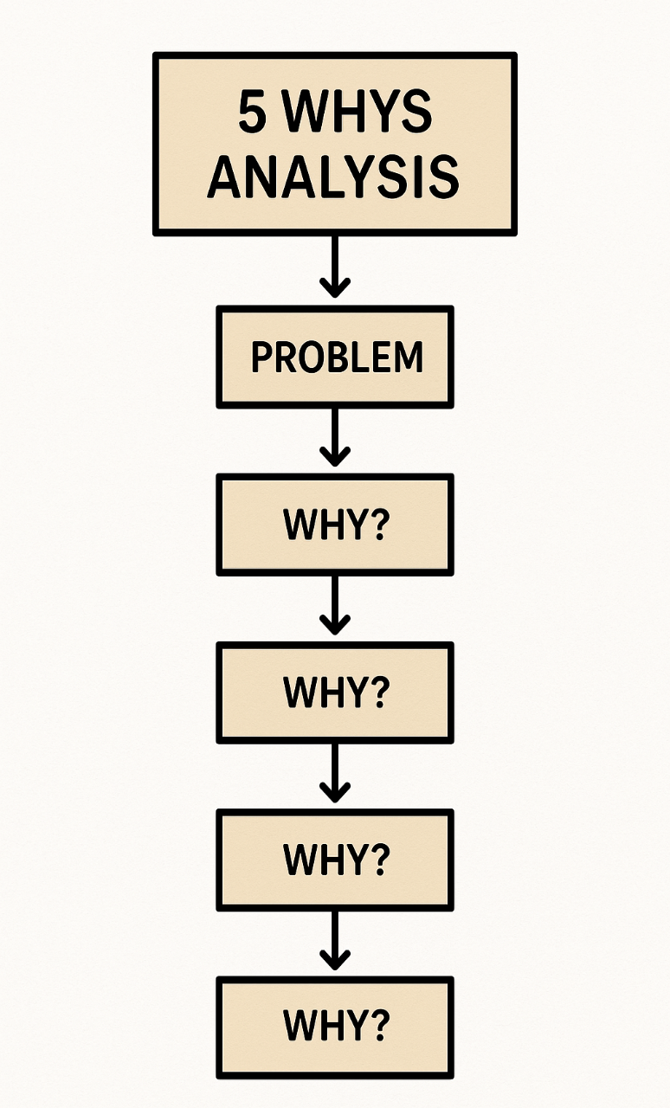
 | CAR Blank
 | 0
 | WHY:
 | WHY:
 | WHY:
WHY:
WHY:
ROOT CAUSE:

Fishbone
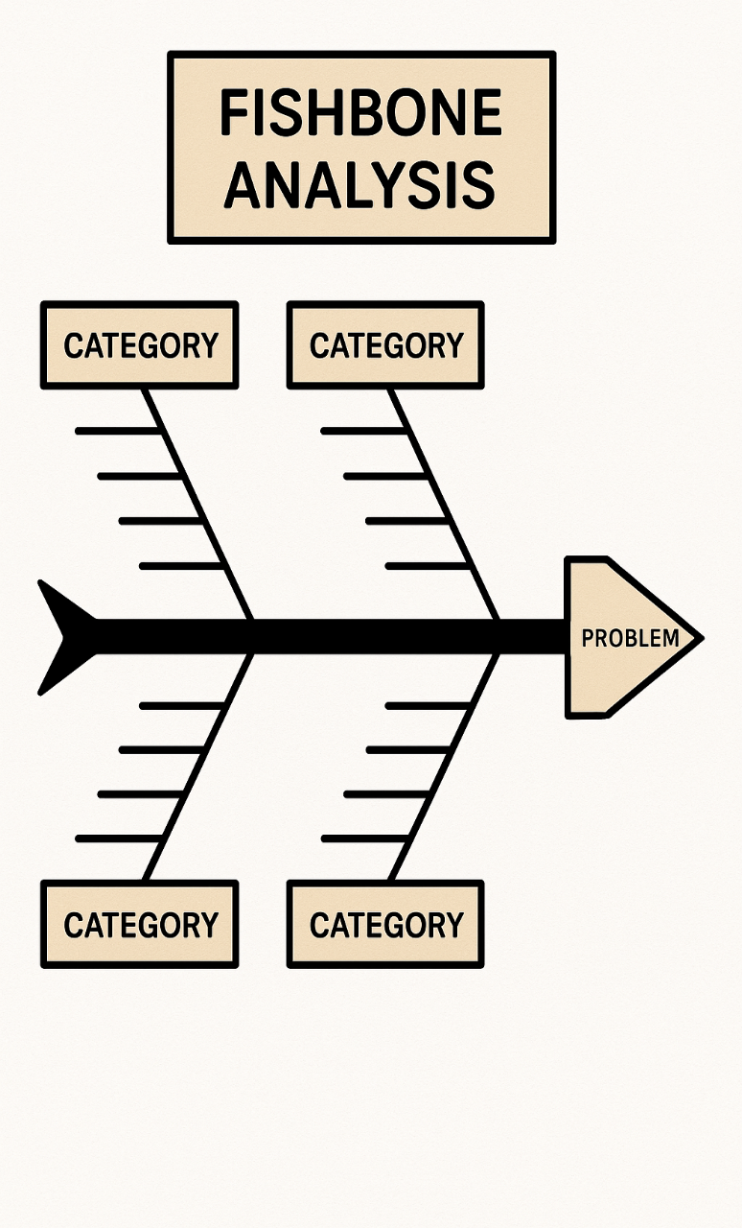
 | CAR Blank
 | 0
 | CATEGORY:
 | CATEGORY:
 | CATEGORY:
CATEGORY:
CATEGORY:
ROOT CAUSE:

Fault Tree
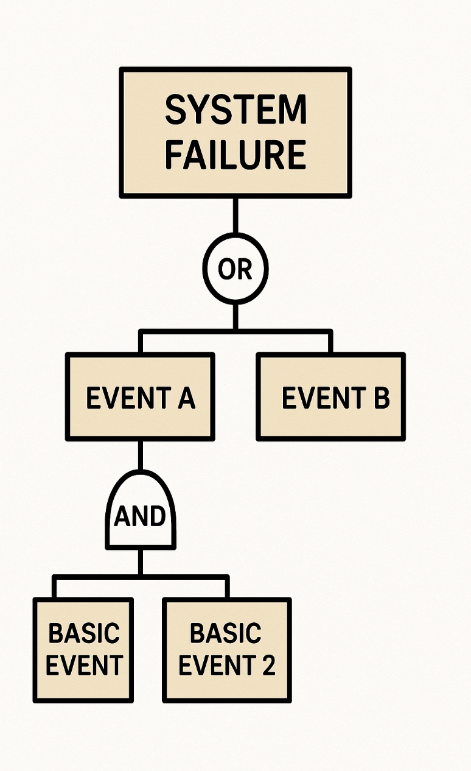
 | CAR Blank
 | 0
 | EVENT:
 | EVENT:
 | EVENT:
EVENT:
EVENT:
ROOT CAUSE:

Pareto
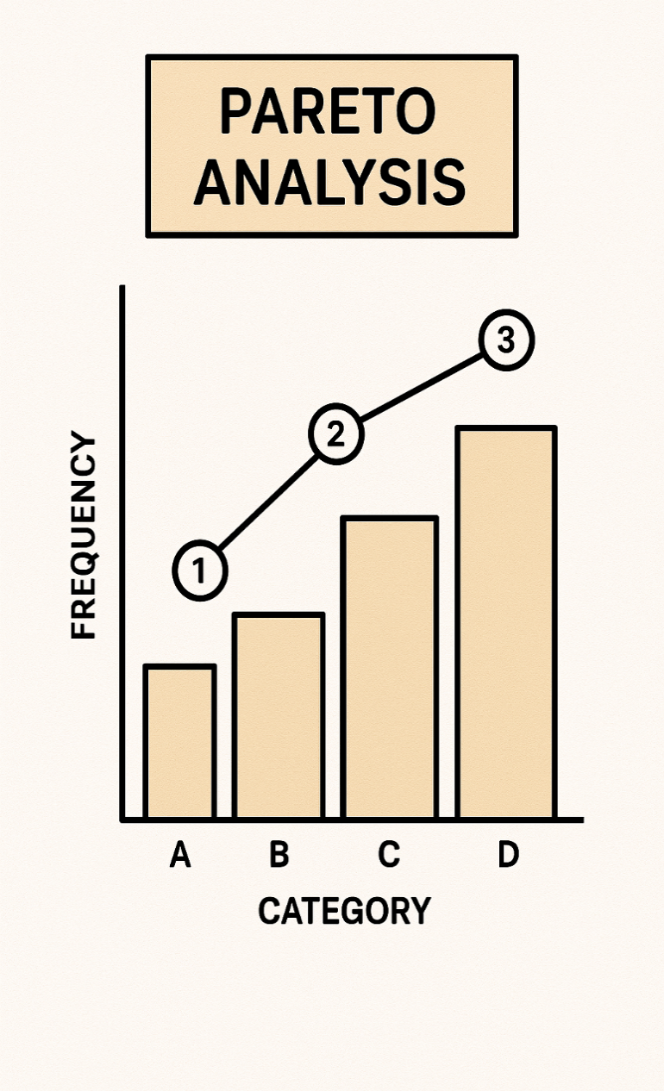
 | CAR Blank
 | 0
 | CATEGORY:
 | CATEGORY:
 | CATEGORY:
CATEGORY:
CATEGORY:
ROOT CAUSE:

Brainstorm
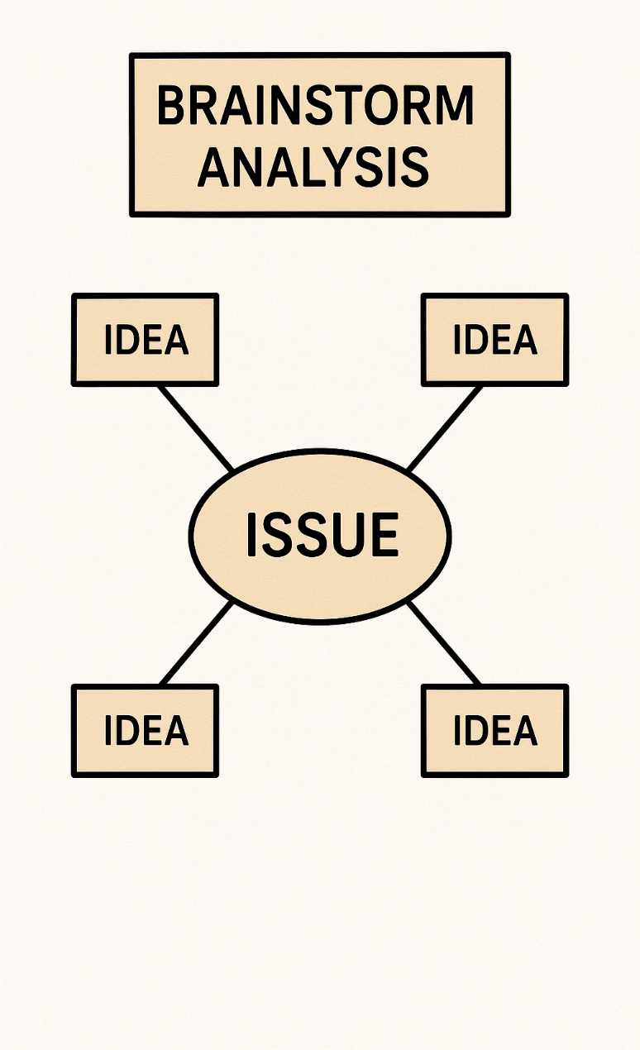
 | CAR Blank
 | 0
 | IDEA:
 | IDEA:
 | IDEA:
IDEA:
IDEA:
ROOT CAUSE:

